Request
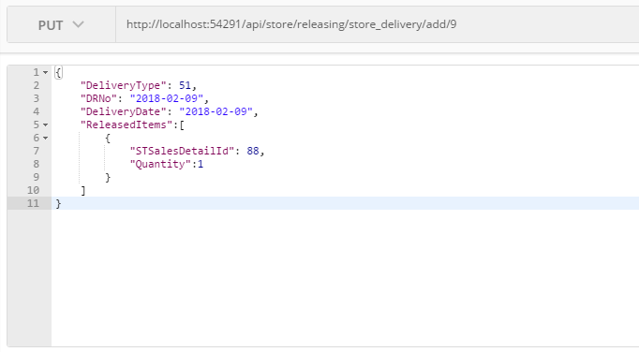
Parameter | Data Type | Length | Required | Unique | Remarks
Id | Int |  | Yes
DRNo | String |  | Yes
DeliveryDate | Date |  | Yes
DeliveryType | Int |  | Yes
ReleasedItems | Array
STSalesDetailId | Int |  | Yes |  | STSalesDetail.Id
Quantity | Int |  | Yes

Example

Response
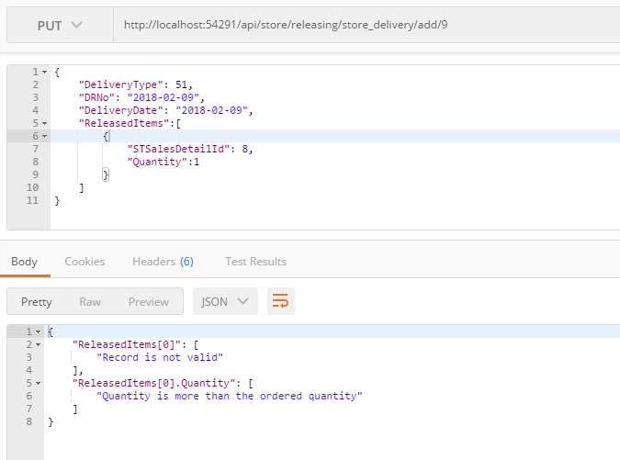
With Error

